268_Marugame_Jogja

PT. PERISAI CAKRAWALA INDONESIA
Ruko Ifolia Blok HY47 No. 26
Harapan Indah - Bekasi 17214
Jawa Barat - Indonesia
Telp/Fax : +6221 - 8944 5283
Email : sales@pciexpress.id

INVOICE

To | : PT. Sriboga Marugame Indonesia |  |  |  |  | Invoice No | : | 268/PCI/K1/V/22
 |  |  |  |  |  | Invoice Date | : | 07 Mei 2022
 |  |  |  |  |  | Due Date | : | 07 Juni 2022
 |  |  |  |  |  | Unit | : | CDD
Attn | : Finance Dept |  |  |  |  | JO | : | 0969

NO | DATE | AWB | DESCRIPTION | DESNATION | COLLY | UNIT PRICE |  | AMOUNT
1 | 19-Apr-22 | 402293 | Pengiriman Barang Tujuan M029 Marugame Ambarukmo Plaza | Jogja | 143 | 3,709,199 |  | 3,709,199
2 |  | 402294 | Pengiriman Barang Tujuan M065 Marugame Hartono Mall Jogja |  | 40 |  |  |  | 3709198.8131
SUB TOTAL |  |  |  |  |  |  |  | 3,709,199

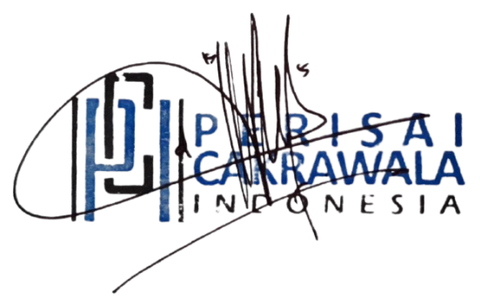
 |  |  |  |  |  | PPN 1,1% | #REF! | Rp40,801
 |  |  |  |  |  | PPh 23 2% | Rp- | Rp74,184
 |  |  |  |  |  | Total | #REF! | Rp3,675,816

Say : Tiga Juta Enam Ratus Tujuh Puluh Lima Ribu Delapan Ratus Enam Belas Rupiah.

Payment Instructions
Pay Cheque or Transfer to :
BANK CENTRAL ASIA (BCA)
521-1322-455
PT. PERISAI CAKRAWALA INDONESIA

 |  |  |  |  |  | Bekasi, | 07 Mei 2022

 |  |  |  |  |  | Dede Komalasari

270_Multitrans_Aceh
PT. PERISAI CAKRAWALA INDONESIA
Ruko Ifolia Blok HY47 No. 26
Harapan Indah - Bekasi 17214
Jawa Barat - Indonesia
Telp/Fax : +6221 - 8944 5283
Email : sales@pciexpress.id

INVOICE

To | : PT. MULTISTRAN ENGINEERING |  |  |  |  | Invoice No | : | 270/PCI/K1/V/22
 | Ciputat Indah Permai Blok A-1 |  |  |  |  | Invoice Date | : | 7 Mei 2022
 | Jl. Ir. H Juanda No. 50 Ciputat 15419 |  |  |  |  | Due Date | : | 7 Juni 2022
 |  |  |  |  |  | Unit | : | CDD
 |  |  |  |  |  | JO | : | 0996

Attn | : Finance Dept

NO | DATE | AWB | DESCRIPTION | DESNATION | UNIT | UNIT PRICE |  | AMOUNT
1 | 2022-04-21 |  | Trucking Pengiriman Barang BP 9096 DF Tujuan Aceh | Aceh | 1 | 21,000,000 |  | 21,000,000
SUB TOTAL |  |  |  |  |  |  |  | 21,000,000

 |  |  |  |  |  | PPN 1,1 % |  | Rp231,000
 |  |  |  |  |  | PPh 23 2% |  | Rp420,000
 |  |  |  |  |  | Total |  | Rp20,811,000
Say : Dua Puluh Juta Delapan Ratus Sebelas Ribu Rupiah.

Payment Instructions
Pay Cheque or Transfer to :
BANK CENTRAL ASIA (BCA)
521-1322-455
PT. PERISAI CAKRAWALA INDONESIA

 |  |  |  |  |  | Bekasi, | 7 Mei 2022


 |  |  |  |  |  | Dede Komalasari

271_Link Pasifik_Singapore

PT. PERISAI CAKRAWALA INDONESIA
Ruko Ifolia Blok HY47 No. 26
Harapan Indah - Bekasi 17214
Jawa Barat - Indonesia
Telp/Fax : +6221 - 8944 5283
Email : sales@pciexpress.id

INVOICE

To | : PT Link Pasifik |  |  |  |  |  | Invoice No | : | 271/PCI/K1/V/22
 | Jl. Gading Batavia N Jakarta No. 14310 RT. 10 RW. 7 |  |  |  |  |  | Invoice Date | : | 7 Mei 2022
 | Kelapa Gading - Jakarta 14240 |  |  |  |  |  | Due Date | : | 7 Juni 2022
 |  |  |  |  |  |  | JO | : | 1010

Attn | : Finance Dept

NO | DATE | AWB | DESCRIPTION | DESNATION | COLLY | KG | UNIT PRICE |  | AMOUNT
1 | 22-Apr-22 | 404937 | Pengiriman Barang Tujuan Ecolab Singapore (AWB No. 9904276185 ) | Singapore | 1 | 3 | 1,400,000 |  | 1,400,000
SUB TOTAL |  |  |  |  |  |  |  |  | Rp1,400,000

 |  |  |  |  |  |  | PPn 1,1% |  | Rp15,400
 |  |  |  |  |  |  | PPh Pasal 23 2% |  | Rp28,000
 |  |  |  |  |  |  | Total |  | Rp1,387,400

Say : Satu Juta Tiga Ratus Delapan Puluh Tujuh Ribu Empat Ratus Rupiah.

Payment Instructions
Pay Cheque or Transfer to :
BANK CENTRAL ASIA (BCA)

521-1322-455
PT. PERISAI CAKRAWALA INDONESIA

 |  |  |  |  |  |  | Bekasi, | 7 Mei 2022

 |  |  |  |  |  |  | Dede Komalasari

274_Freyssinet_Bali
PT. PERISAI CAKRAWALA INDONESIA
Ruko Ifolia Blok HY47 No. 26
Harapan Indah - Bekasi 17214
Jawa Barat - Indonesia
Telp/Fax : +6221 - 8944 5283
Email : sales@pciexpress.id

INVOICE

To | : PT. Freyssinet Total Technology |  |  |  |  |  | Invoice No | : | 274/PCI/K1/V/22
 | Metropolitan Tower 9th Floor, |  |  |  |  |  | Invoice Date | : | 09 Mei 2022
 | JL. R.A. Kartini Kav. 14, Cilandak |  |  |  |  |  | Due Date | : | 09 Juni 2022
 | Jakarta 12430 |  |  |  |  |  | JO | : | 0955

Attn | : Finance Dept

NO | DATE | AWB | NO. PO | DESCRIPTION | DESNATION | QTY | UNIT PRICE |  | AMOUNT
1 | 18-Apr-22 |  | 017/FTT/PO/IV/2022 | Trucking Pengiriman Barang Tujuan Bali | Bali | 1 | 13,143,000 |  | 13,143,000
SUB TOTAL |  |  |  |  |  |  |  |  | Rp13,143,000

 |  |  |  |  |  |  | PPN 1,1 % |  | Rp144,573
 |  |  |  |  |  |  | PPh 23 2% |  | Rp262,860
 |  |  |  |  |  |  | Total |  | Rp13,024,713
Say : Tiga Belas Juta Dua Puluh Empat Ribu Tujuh Ratus Tiga Belas Rupiah.

Payment Instructions
Pay Cheque or Transfer to :
BANK CENTRAL ASIA (BCA)
521-1322-455
PT. PERISAI CAKRAWALA INDONESIA

 |  |  |  |  |  |  | Bekasi, | 09 Mei 2022

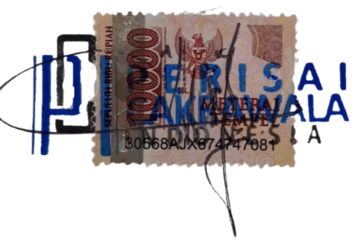
 |  |  |  |  |  |  | Dede Komalasari

